Bolted '2C'
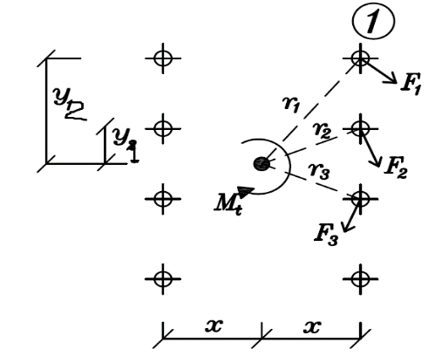
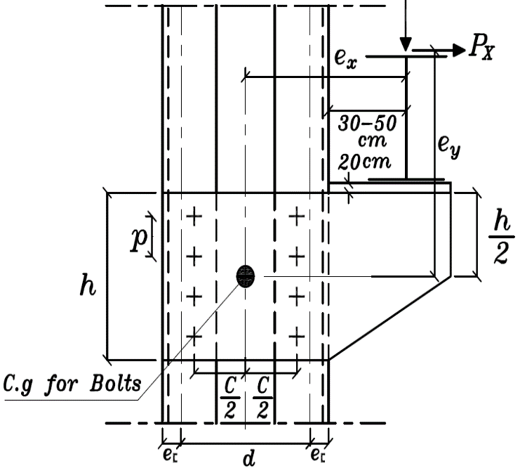
37 |  |  | 4.6 |  |  |  |  |  |  |  |  |  | Sec. | Area | Weight | Dimensions (mm) |  |  |  |  |  | x-x |  |  | y-y |  |  | For Details
44 |  |  | 4.8 |  |  |  |  |  |  |  |  |  |  | (cm2) |  | h | b | s | t=r2 | c | h-2c | Ix(cm4) | Sx(cm3) | rx(cm) | Iy(cm4) | Sy(cm3) | ry(cm) | ey(cm) | Xm(cm)
52 |  |  | 5.6 |  |  |  |  |  |  |  |  |  |  |  | (kg/m`)
Steel Type: | 37 |  | 5.8 |  |  |  |  |  |  |  |  |  | 30x15 | 2.21 | 1.74 | 30 | 15 | 4 | 4.5 | 9.0 | 12 | 2.53 | 1.69 | 1.07 | 0.38 | 0.39 | 0.42 | 0.52 | 0.74
Fy = | 2.4 | t/cm2 | 6.8 |  |  |  |  |  |  |  |  |  | 30 | 5.44 | 4.27 | 30 | 33 | 5 | 7.0 | 14.5 | 1 | 6.39 | 4.26 | 1.08 | 5.33 | 2.68 | 0.99 | 1.31 | 2.22
Fu = | 3.6 | t/cm2 | 8.8 |  |  |  |  |  |  |  |  |  | 40x20 | 3.66 | 2.87 | 40 | 20 | 5 | 5.5 | 11.0 | 18 | 7.58 | 3.79 | 1.44 | 1.14 | 0.86 | 0.56 | 0.67 | 1.01
 |  |  | 10.9 |  |  |  |  |  | Checks: |  |  |  | 40 | 6.21 | 4.87 | 40 | 35 | 5 | 7.0 | 14.5 | 11 | 14.10 | 7.05 | 1.50 | 6.68 | 3.08 | 1.04 | 1.33 | 2.32
Straining Actions: |  |  |  | e = | 30 | cm |  |  | i- Shear on critical bolt |  |  |  | 50x25 | 4.92 | 3.86 | 50 | 25 | 5 | 6.0 | 12.5 | 25 | 16.60 | 6.73 | 1.85 | 2.49 | 1.48 | 0.71 | 0.81 | 1.34
Qx = | 0.61 | ton |  | d = | 50 | cm |  |  | Rs.s = | 9.8214285714 | ton | Safe | 50 | 7.12 | 5.59 | 50 | 38 | 5 | 7.0 | 15.0 | 20 | 26.40 | 10.60 | 1.92 | 9.12 | 3.75 | 1.13 | 1.37 | 2.47
Qy = | 7.83 | ton |  | h = | 63 | cm |  |  | Rbr = | 10.08 | ton | Safe | 60 | 6.46 | 5.07 | 60 | 30 | 6 | 6.0 | 12.5 | 35 | 31.60 | 10.50 | 2.21 | 4.51 | 2.16 | 0.84 | 0.91 | 1.50
Mt = | 504 | cm.t |  | n/2 = | 6 | bolts |  |  |  |  |  |  | 65 | 9.03 | 7.09 | 65 | 42 | 5.5 | 7.5 | 16.0 | 33 | 57.50 | 17.70 | 2.52 | 14.10 | 5.07 | 1.25 | 1.42 | 2.60
 |  |  |  | hact = | 60 | cm |  |  | ii- Thickness of G.PL |  |  |  | 70 | 8.57 | 6.73 | 70 | 40 | 6 | 6.5 | 16.0 | 38 | 61.10 | 17.50 | 2.67 | 11.40 | 4.10 | 1.15 | 1.22 | 2.20
Bolts: |  |  |  | C = | 46 | cm |  |  | hrail = | 0 | cm |  | 80 | 11.00 | 8.64 | 80 | 45 | 6 | 8.0 | 17.0 | 47 | 106 | 26.50 | 3.10 | 19.40 | 6.36 | 1.33 | 1.45 | 2.67
diameter = | 25 | mm |  |  |  |  |  |  | dcr girder = | 52.8 | cm |  | 100 | 13.50 | 10.60 | 100 | 50 | 6 | 8.5 | 18.0 | 64 | 206 | 41.20 | 3.91 | 29.30 | 8.49 | 1.47 | 1.55 | 2.93
Grade: | 10.9 |  |  | X = | 23 | cm |  |  | t rest plate = | 2 | cm | Plate under crane girder | 120 | 17.00 | 13.40 | 120 | 55 | 7 | 9.0 | 19.0 | 82 | 364 | 60.70 | 4.62 | 43.20 | 11.10 | 1.59 | 1.60 | 3.03
Fy = | 9 | t/cm2 |  | y1 = | 5 | cm |  |  | tp = | 1.5 | cm | Thickness of bracket | 140 | 20.40 | 16.00 | 140 | 60 | 7 | 10.0 | 21.0 | 97 | 605 | 86.40 | 5.45 | 62.70 | 14.80 | 1.75 | 1.75 | 3.37
Fu = | 10 | t/cm2 |  | y2 = | 15 | cm |  |  | N = | 0.61 | ton |  | 160 | 24.00 | 18.80 | 160 | 65 | 7.5 | 10.5 | 22.5 | 116 | 925 | 116 | 6.21 | 85.30 | 18.30 | 1.89 | 1.84 | 3.56
edge dist = | 5 | cm |  | y3 = | 25 | cm |  |  | Q = | 7.83 | ton |  | 180 | 28.00 | 22.00 | 180 | 70 | 8 | 11.0 | 23.5 | 133 | 1350 | 150 | 6.95 | 114 | 22.40 | 2.02 | 1.92 | 3.75
pitch dist = | 10 | cm |  | y4 = | 0 | cm |  |  | M = | 304.13588 | cm.t |  | 200 | 32.20 | 25.30 | 200 | 75 | 8.5 | 11.5 | 24.5 | 151 | 1910 | 191 | 7.70 | 148 | 27.00 | 2.14 | 2.01 | 3.94
 |  |  |  | y5 = | 0 | cm |  |  | Anet = | 65.7 | cm2 |  | 220 | 37.40 | 29.40 | 220 | 80 | 9 | 12.5 | 26.5 | 166 | 2690 | 245 | 8.48 | 197 | 33.60 | 2.30 | 2.14 | 4.20
Column Section: |  | 260 |  | y6 = | 0 | cm |  |  | Inet = | 19912.5 | cm4 |  | 240 | 42.30 | 33.20 | 240 | 85 | 9.5 | 13.0 | 28.0 | 185 | 3600 | 300 | 9.22 | 248 | 39.60 | 2.42 | 2.23 | 4.39
b = | 90 | mm |  | y7 = | 0 | cm |  |  | f = | 0.4674931092 | t/cm2 | Safe | 260 | 48.30 | 37.90 | 260 | 90 | 10 | 14.0 | 30.0 | 201 | 4820 | 371 | 9.99 | 317 | 47.70 | 2.56 | 2.36 | 4.66
t = | 14 | mm |  | Sr2 = | 9848 | cm2 |  |  | q = | 0.17876712329 | t/cm2 | Safe | 280 | 53.30 | 41.80 | 280 | 95 | 10 | 15.0 | 32.0 | 213 | 6280 | 448 | 10.90 | 399 | 57.20 | 2.74 | 2.53 | 5.02
e = | 2.36 | cm |  |  |  |  |  |  |  |  |  |  | 300 | 58.80 | 46.20 | 300 | 100 | 10 | 16.0 | 34.0 | 232 | 8030 | 535 | 11.70 | 495 | 67.80 | 2.90 | 2.70 | 5.41
 |  |  |  | Rx = | 1.3302809369 | ton | R = | 2.2620905173 | ton |  |  |  | 320 | 75.80 | 59.50 | 320 | 100 | 14 | 17.5 | 37.0 | 247 | 10870 | 679 | 12.10 | 597 | 80.60 | 2.81 | 2.60 | 4.82
 |  |  |  | Ry = | 1.8295917953 | ton |  |  |  |  |  |  | 350 | 77.30 | 60.60 | 350 | 100 | 14 | 16.0 | 34.0 | 283 | 12840 | 734 | 12.90 | 570 | 75.00 | 2.72 | 2.40 | 4.45
 |  |  |  |  |  |  |  |  |  |  |  |  | 380 | 80.40 | 63.10 | 380 | 102 | 13.5 | 16.0 | 33.5 | 313 | 15760 | 829 | 14.00 | 615 | 78.70 | 2.77 | 2.38 | 4.58
 |  |  |  |  |  |  |  |  |  |  |  |  | 400 | 91.50 | 71.80 | 400 | 110 | 14 | 18.0 | 38.0 | 325 | 20350 | 1020 | 14.90 | 846 | 102.00 | 3.04 | 2.65 | 5.11

Welded
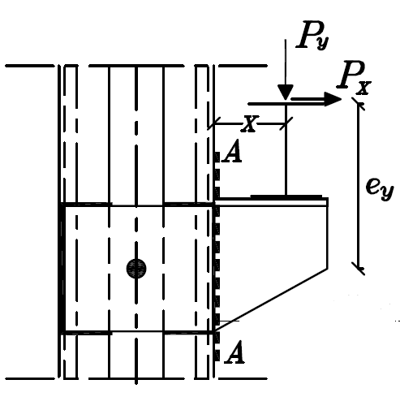
37 |  |  |  |  |  |  |  |  |  |  | Sec. | Area | Weight | Dimensions (mm) |  |  |  |  |  | x-x |  |  | y-y |  |  | For Details
44 |  |  |  |  |  |  |  |  |  |  |  | (cm2) |  | h | b | s | t=r2 | c | h-2c | Ix(cm4) | Sx(cm3) | rx(cm) | Iy(cm4) | Sy(cm3) | ry(cm) | ey(cm) | Xm(cm)
52 |  |  |  |  |  |  |  |  |  |  |  |  | (kg/m`)
st | 37 |  | Checks: |  |  |  |  |  |  |  | 30x15 | 2.21 | 1.74 | 30 | 15 | 4 | 4.5 | 9.0 | 12 | 2.53 | 1.69 | 1.07 | 0.38 | 0.39 | 0.42 | 0.52 | 0.74
Fy = | 2.4 | t/cm2 | i- Weld |  |  |  | ii- Thickness of G.PL |  | Sec A-A |  | 30 | 5.44 | 4.27 | 30 | 33 | 5 | 7.0 | 14.5 | 1 | 6.39 | 4.26 | 1.08 | 5.33 | 2.68 | 0.99 | 1.31 | 2.22
Fu = | 3.6 | t/cm2 | s = | 1 | cm |  | tp = | 1.5 | cm |  | 40x20 | 3.66 | 2.87 | 40 | 20 | 5 | 5.5 | 11.0 | 18 | 7.58 | 3.79 | 1.44 | 1.14 | 0.86 | 0.56 | 0.67 | 1.01
 |  |  | A weld hz = | 40 | cm2 |  | x = | 30 | cm |  | 40 | 6.21 | 4.87 | 40 | 35 | 5 | 7.0 | 14.5 | 11 | 14.10 | 7.05 | 1.50 | 6.68 | 3.08 | 1.04 | 1.33 | 2.32
Straining Actions: |  |  | A weld vl = | 120 | cm2 |  | ey = | 84.8 | cm |  | 50x25 | 4.92 | 3.86 | 50 | 25 | 5 | 6.0 | 12.5 | 25 | 16.60 | 6.73 | 1.85 | 2.49 | 1.48 | 0.71 | 0.81 | 1.34
Qx = | 0.61 | ton | A weld total = | 160 | cm2 |  | Mx = | 286.628 | cm.t |  | 50 | 7.12 | 5.59 | 50 | 38 | 5 | 7.0 | 15.0 | 20 | 26.40 | 10.60 | 1.92 | 9.12 | 3.75 | 1.13 | 1.37 | 2.47
Qy = | 7.83 | ton | Ix weld = | 73210 | cm4 |  | Agross = | 90 | cm2 |  | 60 | 6.46 | 5.07 | 60 | 30 | 6 | 6.0 | 12.5 | 35 | 31.60 | 10.50 | 2.21 | 4.51 | 2.16 | 0.84 | 0.91 | 1.50
Mt = | 504 | cm.t | Iy weld = | 91333.333333 | cm4 |  | Ix gross = | 27000 | cm4 |  | 65 | 9.03 | 7.09 | 65 | 42 | 5.5 | 7.5 | 16.0 | 33 | 57.50 | 17.70 | 2.52 | 14.10 | 5.07 | 1.25 | 1.42 | 2.60
 |  |  | I polar = | 164543.33333 | cm4 |  | f = | 0.32525333333 | t/cm2 | Safe | 70 | 8.57 | 6.73 | 70 | 40 | 6 | 6.5 | 16.0 | 38 | 61.10 | 17.50 | 2.67 | 11.40 | 4.10 | 1.15 | 1.22 | 2.20
h cr. girder = | 52.8 | cm | qx = | 0.098766210269 | t/cm2 |  | q = | 0.1305 | t/cm2 | Safe | 80 | 11.00 | 8.64 | 80 | 45 | 6 | 8.0 | 17.0 | 47 | 106 | 26.50 | 3.10 | 19.40 | 6.36 | 1.33 | 1.45 | 2.67
d = | 50 | cm | qy = | 0.12857609571 | t/cm2 |  |  |  |  |  | 100 | 13.50 | 10.60 | 100 | 50 | 6 | 8.5 | 18.0 | 64 | 206 | 41.20 | 3.91 | 29.30 | 8.49 | 1.47 | 1.55 | 2.93
h = | 60 | cm | qeq = | 0.16213135625 | t/cm2 | Safe |  |  |  |  | 120 | 17.00 | 13.40 | 120 | 55 | 7 | 9.0 | 19.0 | 82 | 364 | 60.70 | 4.62 | 43.20 | 11.10 | 1.59 | 1.60 | 3.03
 |  |  |  |  |  |  |  |  |  |  | 140 | 20.40 | 16.00 | 140 | 60 | 7 | 10.0 | 21.0 | 97 | 605 | 86.40 | 5.45 | 62.70 | 14.80 | 1.75 | 1.75 | 3.37
UPN | 320 |  |  |  |  |  |  |  |  |  | 160 | 24.00 | 18.80 | 160 | 65 | 7.5 | 10.5 | 22.5 | 116 | 925 | 116 | 6.21 | 85.30 | 18.30 | 1.89 | 1.84 | 3.56
b = | 100 | mm |  |  |  |  |  |  |  |  | 180 | 28.00 | 22.00 | 180 | 70 | 8 | 11.0 | 23.5 | 133 | 1350 | 150 | 6.95 | 114 | 22.40 | 2.02 | 1.92 | 3.75
t = | 17.5 | mm |  |  |  |  |  |  |  |  | 200 | 32.20 | 25.30 | 200 | 75 | 8.5 | 11.5 | 24.5 | 151 | 1910 | 191 | 7.70 | 148 | 27.00 | 2.14 | 2.01 | 3.94
e = | 2.6 | cm |  |  |  |  |  |  |  |  | 220 | 37.40 | 29.40 | 220 | 80 | 9 | 12.5 | 26.5 | 166 | 2690 | 245 | 8.48 | 197 | 33.60 | 2.30 | 2.14 | 4.20
 |  |  |  |  |  |  |  |  |  |  | 240 | 42.30 | 33.20 | 240 | 85 | 9.5 | 13.0 | 28.0 | 185 | 3600 | 300 | 9.22 | 248 | 39.60 | 2.42 | 2.23 | 4.39
 |  |  |  |  |  |  |  |  |  |  | 260 | 48.30 | 37.90 | 260 | 90 | 10 | 14.0 | 30.0 | 201 | 4820 | 371 | 9.99 | 317 | 47.70 | 2.56 | 2.36 | 4.66
 |  |  |  |  |  |  |  |  |  |  | 280 | 53.30 | 41.80 | 280 | 95 | 10 | 15.0 | 32.0 | 213 | 6280 | 448 | 10.90 | 399 | 57.20 | 2.74 | 2.53 | 5.02
 |  |  |  |  |  |  |  |  |  |  | 300 | 58.80 | 46.20 | 300 | 100 | 10 | 16.0 | 34.0 | 232 | 8030 | 535 | 11.70 | 495 | 67.80 | 2.90 | 2.70 | 5.41
 |  |  |  |  |  |  |  |  |  |  | 320 | 75.80 | 59.50 | 320 | 100 | 14 | 17.5 | 37.0 | 247 | 10870 | 679 | 12.10 | 597 | 80.60 | 2.81 | 2.60 | 4.82
 |  |  |  |  |  |  |  |  |  |  | 350 | 77.30 | 60.60 | 350 | 100 | 14 | 16.0 | 34.0 | 283 | 12840 | 734 | 12.90 | 570 | 75.00 | 2.72 | 2.40 | 4.45
 |  |  |  |  |  |  |  |  |  |  | 380 | 80.40 | 63.10 | 380 | 102 | 13.5 | 16.0 | 33.5 | 313 | 15760 | 829 | 14.00 | 615 | 78.70 | 2.77 | 2.38 | 4.58
 |  |  |  |  |  |  |  |  |  |  | 400 | 91.50 | 71.80 | 400 | 110 | 14 | 18.0 | 38.0 | 325 | 20350 | 1020 | 14.90 | 846 | 102.00 | 3.04 | 2.65 | 5.11

